Cover
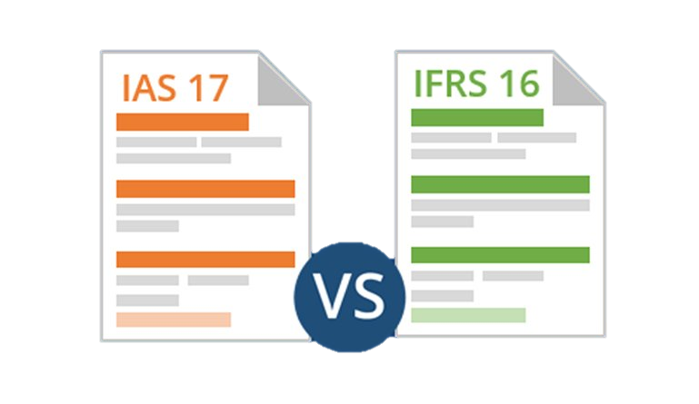

Summary
 | Summary - IFRS 16 vs. IAS 17

 | In January 2016, the International Accounting Standards Board (IASB) amended IAS 17 Leases, to be effectively implemented as of January 2019
 | The previous lease accounting focused on identifying when a lease arrangement was, pursuant of its terms, equivalent to the purchase of the underlying asset. If that was the case, the agreement was treated as
 | financial lease and booked accordingly. Otherwise, it was deemed as an operating lease and remained off-balance sheet
 | Under the new standard, the agreements must be capitalized by recognizing the present value of the lease payments. At the same time, a financial obligation must also be registered
 | The direct financial effects of fully applying IFRS 16 are as follows:
 | Increase in both assets and liabilities by the present value of projected lease payments. As time goes by, the difference decrease as the PV decreases. At maturity, there is no difference
 | Net income is lower during the "first half" of the contract and higher during the "second half" (fully compensating the first half). See graph below
 | EBITDA increases (leasing expenses are now depreciation). However, As a way to maintain the proxy cash nature of the metric, we decided to include the depreciation expenses stemming from the
 | capitalization of the lease payments in the calculation of Adj. EBITDA
 | The difference in total equity equals the accumulated difference in net income

 |  | Period
x | Difference in Total Assets | 0 | 1 | 2 | 3 | 4 | 5 | 6
 | AssetsIFRS 16 | 1,436 | 1,263 | 1,090 | 918 | 745 | 573 | 400
 | AssetsIAS 17 | 1,000 | 900 | 800 | 700 | 600 | 500 | 400
 | Total Difference | 436 | 363 | 290 | 218 | 145 | 73 | -

 |  | Period
x | Difference in Total Liablities | 0 | 1 | 2 | 3 | 4 | 5 | 6
 | LiabilitiesIFRS 16 | 436 | 379 | 317 | 249 | 174 | 91 | -
 | LiabilitiesIAS 17 | - | - | - | - | - | - | -
 | Total Difference | 436 | 379 | 317 | 249 | 174 | 91 | -
 |  | Period
x | Difference in Total Equity | 0 | 1 | 2 | 3 | 4 | 5 | 6
 | Total EquityIFRS 16 | 1,000 | 884 | 773 | 669 | 572 | 482 | 400
 | Total EquityIAS 17 | 1,000 | 900 | 800 | 700 | 600 | 500 | 400
 | Total Difference | 0 | (16) | (27) | (31) | (28) | (18) | (0)

 |  | Period
x | Difference in EBITDA | 0 | 1 | 2 | 3 | 4 | 5 | 6
 | EBITDAIFRS 16 | 0 | (73) | (73) | (73) | (73) | (73) | (73)
 | EBITDAIAS 17 | 0 | (100) | (100) | (100) | (100) | (100) | (100)
 | Net IncomeIFRS 16 | Net IncomeIAS 17
1 | (116) | (100)
2 | (111) | (100)
3 | (104) | (100)
4 | (97) | (100)
5 | (90) | (100)
6 | (82) | (100)
Difference in net Income (USMM)
 | Total Difference | 0 | 27 | 27 | 27 | 27 | 27 | 27

 |  | Period
x | Difference in Net Income | 0 | 1 | 2 | 3 | 4 | 5 | 6
 | Net IncomeIFRS 16 | 0 | (116) | (111) | (104) | (97) | (90) | (82)
 | Net IncomeIAS 17 | 0 | (100) | (100) | (100) | (100) | (100) | (100)
 | Total Difference | 0 | (16) | (11) | (4) | 3 | 10 | 18

